Line charts data
Date | Revenue | Date | Revenue 2 | Data Labels | Date | Revenue
2006-09-03 | 1332 | 2005-07-14 | ₹ 138,576 | 141 | 2005-05-05 | 1350
2006-09-04 | 1165 | 2005-07-15 | ₹ 121,831 | 142 | 2005-05-06 | 1317
2006-09-05 | 1268 | 2005-07-16 | ₹ 123,963 | 167 | 2005-05-07 | 1131
Revenue 1
2006-09-06 | 1316 | 2005-07-17 | ₹ 116,021 | 191 | 2005-05-08 | 1334
2006-09-07 | 1088 | 2005-07-18 | ₹ 134,565 | 113 | 2005-05-09 | 1006
2006-09-08 | 1255 | 2005-07-19 | ₹ 126,362 | 134 | 2005-05-10 | 1101
Revenue 2
2006-09-09 | 1033 | 2005-07-20 | ₹ 128,405 | 149 | 2005-05-11 | 1313
2006-09-10 | 1384 | 2005-07-21 | ₹ 105,143 | 141 | 2005-05-12 | 1151
2006-09-11 | 1048 | 2005-07-22 | ₹ 123,349 | 133 | 2005-05-13 | 1036
2006-09-12 | 1127 | 2005-07-23 | ₹ 104,705 | 195 | 2005-05-14 | 1074
2006-09-13 | 1266 | 2005-07-24 | ₹ 110,691 | 179 | 2005-05-15 | 1310
2006-09-14 | 1147 | 2005-07-25 | ₹ 119,971 | 186 | 2005-05-16 | 1318
2006-09-15 | 1225 | 2005-07-26 | ₹ 101,178 | 110 | 2005-05-17 | 1337
2006-09-16 | 1101 | 2005-07-27 | ₹ 102,175 | 149 | 2005-05-18 | 1391
2006-09-17 | 1266 | 2005-07-28 | ₹ 133,281 | 157 | 2005-05-19 | 1006
2006-09-18 | 1296 | 2005-07-29 | ₹ 128,002 | 181 | 2005-05-20 | 1299
2006-09-19 | 1059 | 2005-07-30 | ₹ 139,623 | 171 | 2005-05-21 | 1187
2006-09-20 | 1367 | 2005-07-31 | ₹ 123,532 | 101 | 2005-05-22 | 1322
2006-09-21 | 1344 | 2005-08-01 | ₹ 113,162 | 190 | 2005-05-23 | 1391
2006-09-22 | 1234 | 2005-08-02 | ₹ 139,893 | 136 | 2005-05-24 | 1267
2006-09-23 | 1314 | 2005-08-03 | ₹ 106,341 | 177 | 2005-05-25 | 1379
2006-09-24 | 1263 | 2005-08-04 | ₹ 113,834 | 198 | 2005-05-26 | 1367
2006-09-25 | 1317 | 2005-08-05 | ₹ 125,406 | 173 | 2005-05-27 | 1394
2006-09-26 | 1264 | 2005-08-06 | ₹ 102,855 | 144 | 2005-05-28 | 1027
2006-09-27 | 1115 | 2005-08-07 | ₹ 119,915 | 180 | 2005-05-29 | 1274
2006-09-28 | 1304 | 2005-08-08 | ₹ 119,062 | 131 | 2005-05-30 | 1195
2006-09-29 | 1220 | 2005-08-09 | ₹ 111,354 | 199 | 2005-05-31 | 1215
2006-09-30 | 1225 | 2005-08-10 | ₹ 126,884 | 164 | 2005-06-01 | 1009
2006-10-01 | 1105 | 2005-08-11 | ₹ 130,659 | 156 | 2005-06-02 | 1083

Pie Charts data
Items | QTY | Price | Revenue
Washing Machine | 331 | 20000 | 6620000
Laptop | 1821 | 30000 | 54630000
Mobile Phone | 4291 | 10000 | 42910000
Pen | 10230 | 10 | 102300
Speakers | 1283 | 3500 | 4490500
Bulb | 15972 | 200 | 3194400

combo chart representation
Revenue and QTY
 | Revenue 4 | Qty
6/11/05 | ₹1,303,419.00 | 123
6/12/05 | ₹1,368,177.00 | 284
6/13/05 | ₹1,123,413.00 | 172
6/14/05 | ₹1,291,591.00 | 145
6/15/05 | ₹1,083,560.00 | 138
6/16/05 | ₹1,121,314.00 | 234
6/17/05 | ₹1,186,701.00 | 287
6/18/05 | ₹1,098,871.00 | 210
6/19/05 | ₹1,092,795.00 | 154
6/20/05 | ₹1,216,522.00 | 101
6/21/05 | ₹1,027,508.00 | 105
6/22/05 | ₹1,263,669.00 | 290
6/23/05 | ₹1,278,680.00 | 213
6/24/05 | ₹1,352,527.00 | 143
6/25/05 | ₹1,162,771.00 | 257
6/26/05 | ₹1,173,180.00 | 192
6/27/05 | ₹1,163,031.00 | 196
6/28/05 | ₹1,222,184.00 | 199
6/29/05 | ₹1,379,700.00 | 219
6/30/05 | ₹1,260,224.00 | 276
7/1/05 | ₹1,220,900.00 | 159
7/2/05 | ₹1,027,203.00 | 203
7/3/05 | ₹1,311,714.00 | 138
7/4/05 | ₹1,076,684.00 | 206
7/5/05 | ₹1,035,058.00 | 124
7/6/05 | ₹1,147,605.00 | 217
7/7/05 | ₹1,091,289.00 | 167
7/8/05 | ₹1,104,225.00 | 299
7/9/05 | ₹1,013,751.00 | 254

Chart List
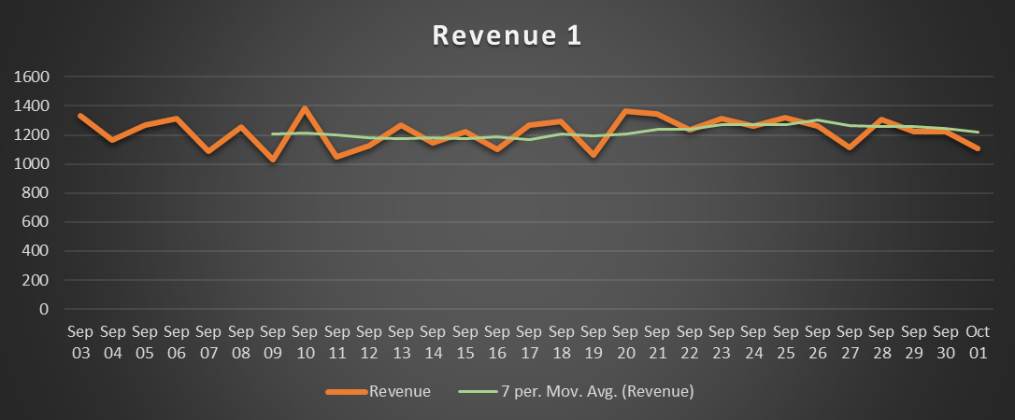
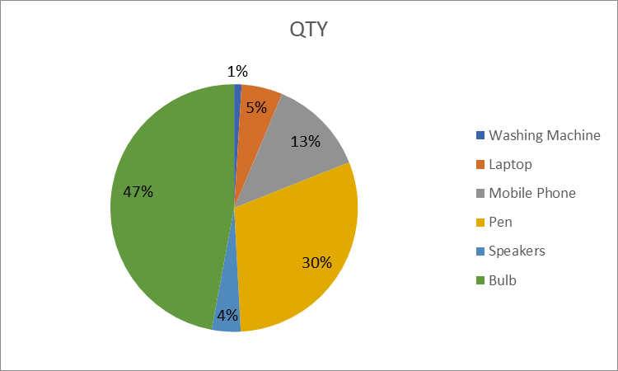
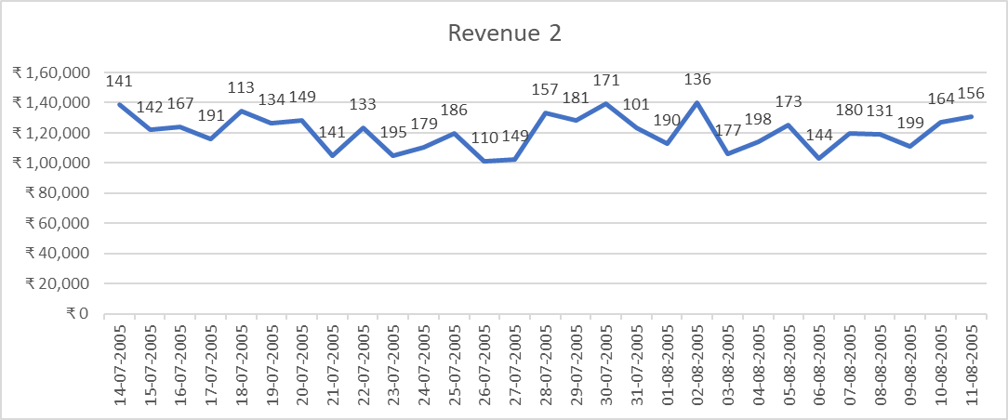
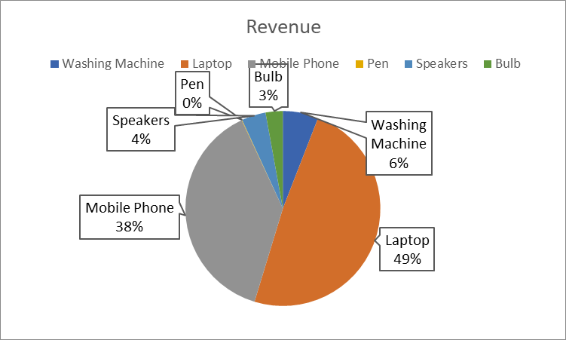
Line charts | Pie Charts

Combo Chart Sheet
Revenue and QTY
 | Revenue 4 | Qty
6/11/05 | ₹1,303,419.00 | 123
6/12/05 | ₹1,368,177.00 | 284
6/13/05 | ₹1,123,413.00 | 172
6/14/05 | ₹1,291,591.00 | 145
6/15/05 | ₹1,083,560.00 | 138
6/16/05 | ₹1,121,314.00 | 234
6/17/05 | ₹1,186,701.00 | 287
6/18/05 | ₹1,098,871.00 | 210
6/19/05 | ₹1,092,795.00 | 154
6/20/05 | ₹1,216,522.00 | 101
6/21/05 | ₹1,027,508.00 | 105
6/22/05 | ₹1,263,669.00 | 290
6/23/05 | ₹1,278,680.00 | 213
6/24/05 | ₹1,352,527.00 | 143
6/25/05 | ₹1,162,771.00 | 257
6/26/05 | ₹1,173,180.00 | 192
6/27/05 | ₹1,163,031.00 | 196
6/28/05 | ₹1,222,184.00 | 199
6/29/05 | ₹1,379,700.00 | 219
6/30/05 | ₹1,260,224.00 | 276
7/1/05 | ₹1,220,900.00 | 159
7/2/05 | ₹1,027,203.00 | 203
7/3/05 | ₹1,311,714.00 | 138
7/4/05 | ₹1,076,684.00 | 206
7/5/05 | ₹1,035,058.00 | 124
7/6/05 | ₹1,147,605.00 | 217
7/7/05 | ₹1,091,289.00 | 167
7/8/05 | ₹1,104,225.00 | 299
7/9/05 | ₹1,013,751.00 | 254

